IMPC (match Joe)
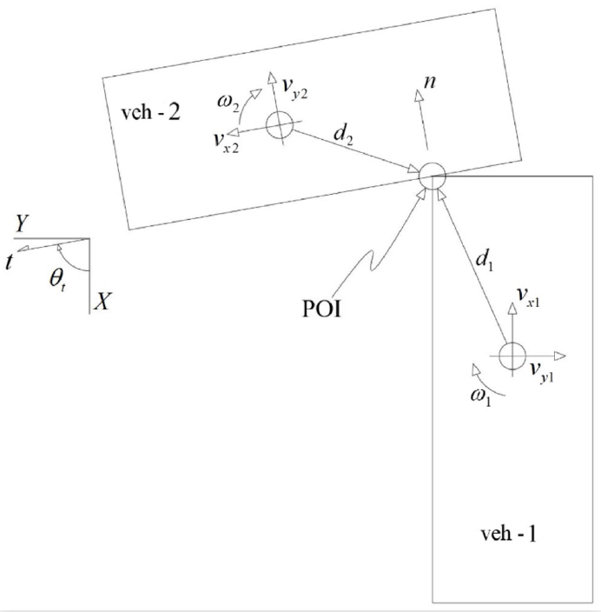
Impulse Momentum Planar Collision - Parameters defined by Carpenter 2019-01-0422 |  |  |  |  | Validation
English units for everything
 |  |  |  |  |  |  |  |  |  | adjusted | squared
 |  |  |  |  |  |  | Experiment | Simulation | error | error | error
 | Vehicle specs |  |  | Red = input | DVu | mph | -26.243181818 | -30 | 3 | 3.4 | 11.47161328 | 6.2831853072 | r (nonSS) | 16.348313962 | ft | 0.28533190578
 | Vehicle 1 | Vehicle 2 |  | Green = copied input (possibly with unit conversion) | DVv | mph | 7.2886363636 | 9 | -2 | -2.2 | 4.7570221952 |  | r (SS) | 20.45265666 | ft
 |  |  |  | Blue = output | DW | deg/s (CW+) | -102.75 | -101 | -2 | -0.6 | 0.3976886436
Test | CF11002 |  |  |  | PDOF | deg | -16 | -18
model | 2008 Ford Fusion | Barrier |  |  | DV | mph | 27.2 | 31.1 |  | SSE: | 16.626324119
m | 3574.2 | 10000000 | lbs | vehicle mass |  |  |  |  |  | error: | 4.0775389782
I | 28035.6 | 64699792.961 | lb-in-s^2 | vehicle yaw moment of inertia
k | 190.71053486 | 50 | in | vehicle radius of gyration
k/WB | 1.7823414473 | 0.5 | 0.47434164903 | normalized radius of gyration (see Heydinger 1999 Fig 9)
OL | 190 | 100 | in | overall length
OW | 72 | 100 | in | overall width
WB | 107 | 100 | in | wheelbase
F | 40 | 0 | in | front overhang
WD | 55% | 50% |  | weight distribution - proportion of weight on front axle
CGF | 88.15 | 50 | in | distance from CG to front bumper
 | Inputs
gamma | -147 |  | deg | Angle of contact plane (normal CCW from +x)
e | 0 |  |  | restitution coefficient
mu | -0.8178 | sliding? |  | available friction
mu slide | -0.99937087987 | YES |  | friction required to prevent sliding
theta | 0 | 180 | deg | initial heading angle (CCW from +x)
du | 43.451107051 | 50 | in | longitudinal distance from CG to contact point (forward is +)
dv | -24.085341934 | -50 | in | lateral distance from CG to contact point (right is +)
dt | -23.323347239 | 14.701576647 | in | tangential distance from CG to contact point
dn | 43.864836413 | -69.165480148 | in | normal distance from CG to contact point
vu | 39.954545455 | 0 | mph | pre-impact forward velocity
vv | 0 | 0 | mph | pre-impact rightward velocity
omega | 0 | 0 | deg/s | initial yaw velocity (CCW)
 | Outputs
DVu | -30 | 0 | mph | longitudinal change in velocity
DVv | 9 | 0 | mph | lateral change in velocity
DW | -101 | 0 | deg/s | change in yaw rate
PDOF | -18 | -18 | deg | principal direction of force (CW from 12 o'clock)
DV | 31.1 | 0.0 | mph | overall change in velocity
Vres | 14 | 0 | mph | final resultant velocity
VresTheta | 43 | -18 | deg | final cg velocity angle (CCW from +x)
Omega | -101 | 0 | deg/s | final yaw velocity (CCW)
KEvoldiss | 119177 |  | ft-lbf | Volume dissipated energy (total crush energy)
CF | 1.5811202562 |  |  | correction factor for non-normal crush
E crush | 50% | 50% | % | Proportion of energy loss absorbed by vehicle crush
BEV | 22.3 | 0.4 | mph | Barrier equivalent velocity
 | Calculations
vt | -33.508701328 | 0 | mph | initial velocity tangential to contact plane
vn | 21.760805081 | 0 | mph | initial velocity normal to contact plane
vx | -33.508701328 | 0 | mph | initial velocity along global x-axis
vy | -21.760805081 | 0 | mph | initial velocity along global y-axis
vct | -33.508701328 | 0 | mph | tangential velocity of contact point
vct21 | 33.508701328 |  | mph
vbarct21 | 9.4259165936 |  | mph
vcn | 21.760805081 | 0 | mph | normal velocity of contact point
vcn21 | -21.760805081 |  | mph
A11 | 0.00045769186669 |  | 1/lb | 0.014737678107
A22 | 0.00033010668615 |  | 1/lb | 0.010629435294
A12 | -9.4481639396E-05 |  | 1/lb | -0.0030423087885
A | 1.4216036521E-07 |  | 1/lb^2 | 0.00014739755306
 | no sliding | lower if sliding
Pt | 92272 | 70384 | lb-mph | tangential momentum change
Pn | -92330 | -86066 | lb-mph | normal momentum change
 | Other outputs
DVt | 19.692375911 | -0.0070384489981 | mph | change in tangential velocity
DVn | -24.079696639 | 0.0086065651726 | mph | change in normal velocity
Vt | -13.816325417 | -0.0070384489981 | mph | final velocity tangential to contact plane
Vn | -2.3188915578 | 0.0086065651726 | mph | final velocity normal to contact plane
Vx | 10.324386624 | 0.010590411369 | mph | final velocity along global x-axis
Vy | 9.4696962425 | -0.003384658831 | mph | final velocity along global y-axis
Elinpre | 190585 | 0 | ft-lbf | pre-impact translational kinetic energy
Eangpre | 0 | 0 | ft-lbf | pre-impact rotational kinetic energy
Elinpost | 23432 | 41 | ft-lbf | post-impact translational kinetic energy
Eangpost | 3597 | 17 | ft-lbf | post-impact rotational kinetic energy
KEtotdiss | 163497 |  | ft-lbf | Total dissipated kinetic energy (crush + sliding)
KEsurfdiss | 44321 |  | ft-lbf | Surface dissipated sliding energy
KEvolabs | 119177 |  | ft-lbf | Volume absorbed energy (neglecting energy return)
KEtotabs | 163497 |  | ft-lbf | Total absorbed energy (neglecting energy return)

Draw vehicles - place contact point at origin

Vehicle 1 |  | Vehicle 2
x (in) | y (in) | x (in) | y (in) | Initial positions
-43.451107051 | 24.085341934 | 50 | -50 | CG
44.698892949 | 60.085341934 | -1.3231169632E-14 | -100 | front left corner
44.698892949 | -11.914658066 | -9.7968508306E-16 | 0 | front right corner
-145.30110705 | -11.914658066 | 100 | -1.2251484549E-14 | rear right corner
-145.30110705 | 60.085341934 | 100 | -100 | rear left corner
44.698892949 | 60.085341934 | -1.3231169632E-14 | -100 | front left corner
32.698892949 | 24.085341934 | 12 | -50 | heading triangle
20.698892949 | 18.085341934 | 24 | -44 | heading triangle
20.698892949 | 30.085341934 | 24 | -56 | heading triangle
32.698892949 | 24.085341934 | 12 | -50 | heading triangle
3 |  |  |  | velocity scale (in/mph)
-163.31474341 | 24.085341934 | 50 | -50 | initial velocity
-43.451107051 | 24.085341934 | 50 | -50 | initial velocity
-67.423834323 | 36.07170557 | 50 | -50 | initial velocity
-43.451107051 | 24.085341934 | 50 | -50 | initial velocity
-67.423834323 | 12.098978297 | 50 | -50 | initial velocity
13.07133684 | -20.128093631 |  |  | contact plane (if n is up, t is left)
0 | 0 |  |  | contact plane
-10.064046815 | -6.5356684202 |  |  | contact plane
 |  |  |  | Final positions
0.1 | -10.05398525 | 179.98546736 |  | time after impact (s), new heading angles
-25.280186592 | 40.752007321 | 50.018639124 | -50.005957 | CG
67.800891884 | 60.810305596 | 0.0059586080413 | -99.993273267 | front left corner
55.231419425 | -10.084040879 | 0.031322856703 | 0.0067235164257 | front right corner
-131.85088377 | 23.085400332 | 100.03131964 | -0.018640732236 | rear right corner
-119.28141131 | 93.979746807 | 100.00595539 | -100.01863752 | rear left corner
67.800891884 | 60.810305596 | 0.0059586080413 | -99.993273267 | front left corner
49.700431242 | 27.458044435 | 12.018640346 | -49.996318585 | heading triangle
36.837250792 | 23.645094306 | 24.020161815 | -43.999362488 | heading triangle
38.932162868 | 35.460818718 | 24.017118105 | -55.999362102 | heading triangle
49.700431242 | 27.458044435 | 12.018640346 | -49.996318585 | heading triangle
-25.280186592 | 40.752007321 | 50.018639124 | -50.005957 | final velocity
5.6929732811 | 69.161096048 | 50.050410358 | -50.016110976 | final velocity
-3.3425675663 | 66.57659429 | 50.045071509 | -50.010903057 | final velocity
5.6929732811 | 69.161096048 | 50.050410358 | -50.016110976 | final velocity
2.3392501792 | 60.381962315 | 50.043040714 | -50.017257304 | final velocity

